Formula
$$σ=\left[\begin{matrix}σ_{x} & τ_{xy} & τ_{xy} \\ τ_{yx} & σ_{y} & τ_{yz} \\ τ_{zx} & τ_{zy} & σ_{z}\end{matrix}\right]$$
$$γ=\left[\begin{matrix}ε_{x} & γ_{xy} & γ_{xy} \\ γ_{yx} & ε_{y} & γ_{yz} \\ γ_{zx} & γ_{zy} & ε_{z}\end{matrix}\right]$$
$$P$$
$$P$$
$$F_{e}$$
$$F_{e}$$
$$R_{1}$$
$$R_{2}$$
$$τ_{xθ}=G.r.\frac{dφ}{dx}=\frac{T.r}{J}$$
$$γ_{xθ}=r\frac{dφ}{dx}=r.\frac{T}{G.J}$$
$$\frac{dφ}{dx}=\frac{T}{G.J}$$
$$φ=\frac{T.L}{G.J}$$
$$x$$
$$M_{e}$$
$$M_{e}$$
$$y$$
Types of Action Forces | Reaction Forces (2D) Rx, Ry, Mz | Induced Interal Forces (2D) N, V, M, T | Induced Internal Stresses | Induced Internal Strains | Induced Deformable Body Displacement (2D) ux, uy, qz
Tension/Compression |  | N =P (simplest case) in vector form: | sx=N/A0=P/A in tensor form: | ɛx=sx/E=N/(EA0); Hooke Law ɛy = ɛz = -n*ɛx Poisson Effect in tensor form: | ux=ɛx.L0=(N*L0)/(EA0) in vector form:
Torsion (for Circulr rods only) |  | T in vector form:
$$σ_{xx}=\frac{Mz⋅y}{I_{zz}}$$
Pure Bending |  | V, M |  |  | ux=0 uy=y: deflection [EI y"=M(x)] qz=y'(x) | 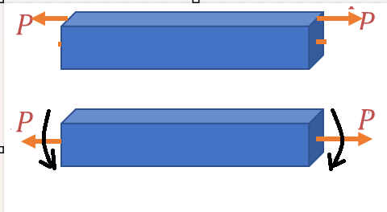
Complex Bending
*Combined loading

